Sheet1
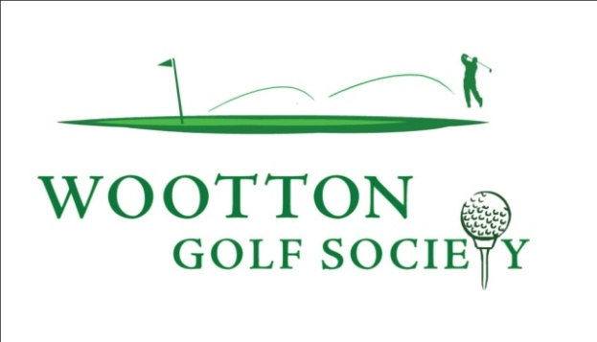

Aled Owen

First played |  | 2016-09-13

Highest Stableford Score

Lowest Stableford Score

Winner | The Bedfordshire | 2017-03-18

Nearest the Pin | Three Locks | 2016-10-22
 | Wavendon | 2016-12-03
 | Cherwell Edge | 2017-05-13
 | Bicester | 2018-05-19
 | Wyboston | 2018-06-23
 | Wyboston | 2018-06-23
Longest Drive

Total Appearances: | 20 | Average: | 27.55 | Points: | 551

