Sheet1
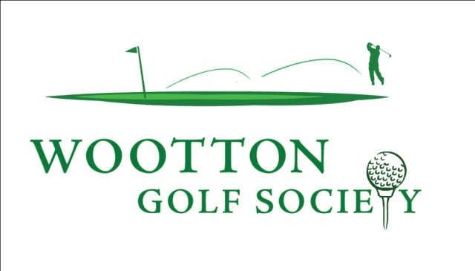


Alistaire Duthie

First played | 2014-03-08 |  |  |  |  | Wootton Trophy | 2014
 |  |  |  |  |  | Wootton Cup | 2016
Highest Stableford Score |  |  | 39 | Points
 |  |  | Aldwickbury Park | 2015-03-21

Lowest Stableford Score |  |  | 19 | Points
 |  |  | Panshanger | 2014-03-08

Winner |  |  | Charlgrave Manor | 2014-10-25
 |  |  | Aldwickbury Park | 2015-03-21
 |  |  | Portal McDonald | 2016-09-30
 |  |  | Portal McDonald | 2016-10-02
 |  |  | Redbourn | 2016-11-12

Nearest the Pin |  |  | Belton Lakes | 2015-10-03
 |  |  | Belton Woods | 2015-10-04
 |  |  | Luton Hoo | 2016-06-03
 |  |  | Portal McDonald | 2016-09-30
 |  |  | Mill Green | 2017-07-08
 |  |  | Mill Green | 2017-07-08
 |  |  | Wychwood Park | 2017-10-07
 |  |  | Abbey Hill | 2018-04-07
 |  |  | Beadlow Baroness | 2018-12-08

Longest Drive |  |  | Portal McDonald | 2016-10-02
 |  |  | The Bedfordshire | 2017-03-18

Total Appearances: |  | 66 | Average: |  | 24.56 | 1621 | Points:

